Sheet1
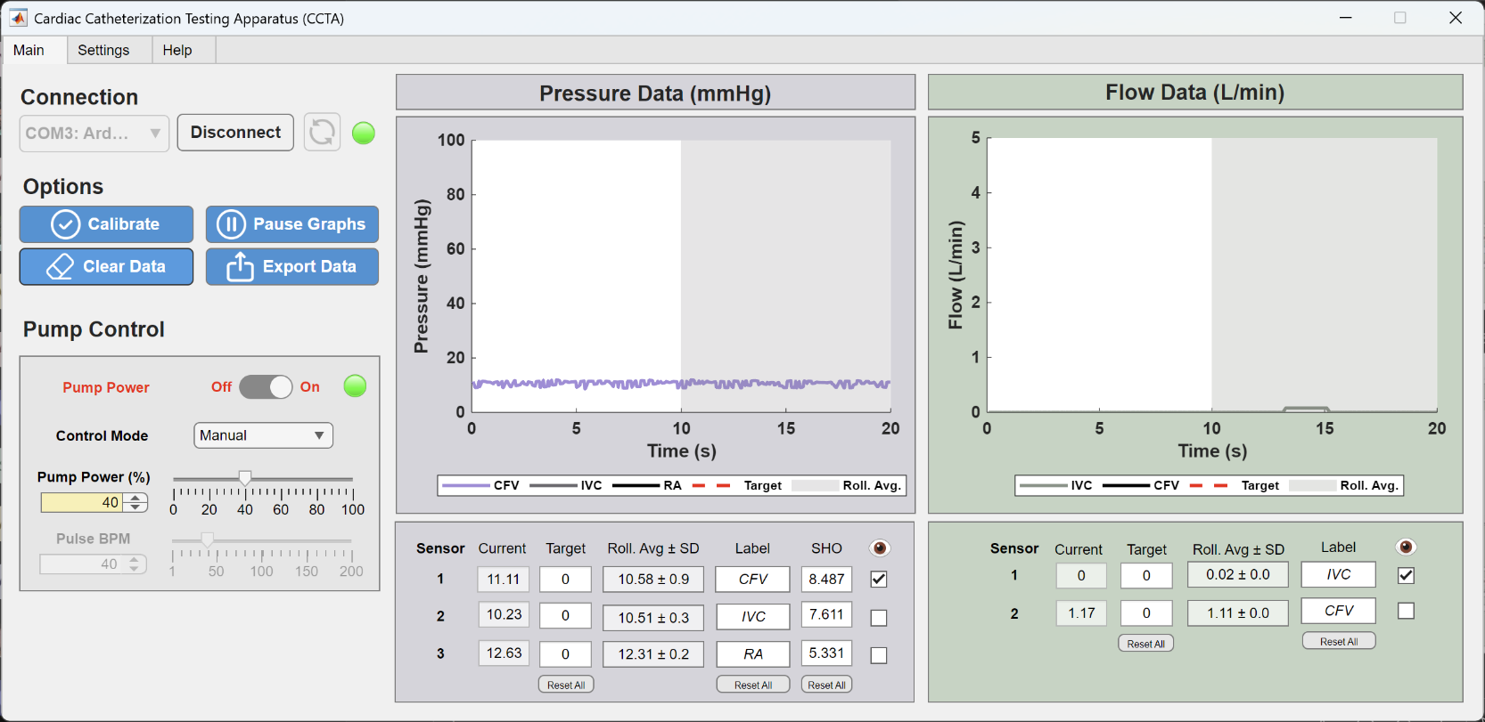
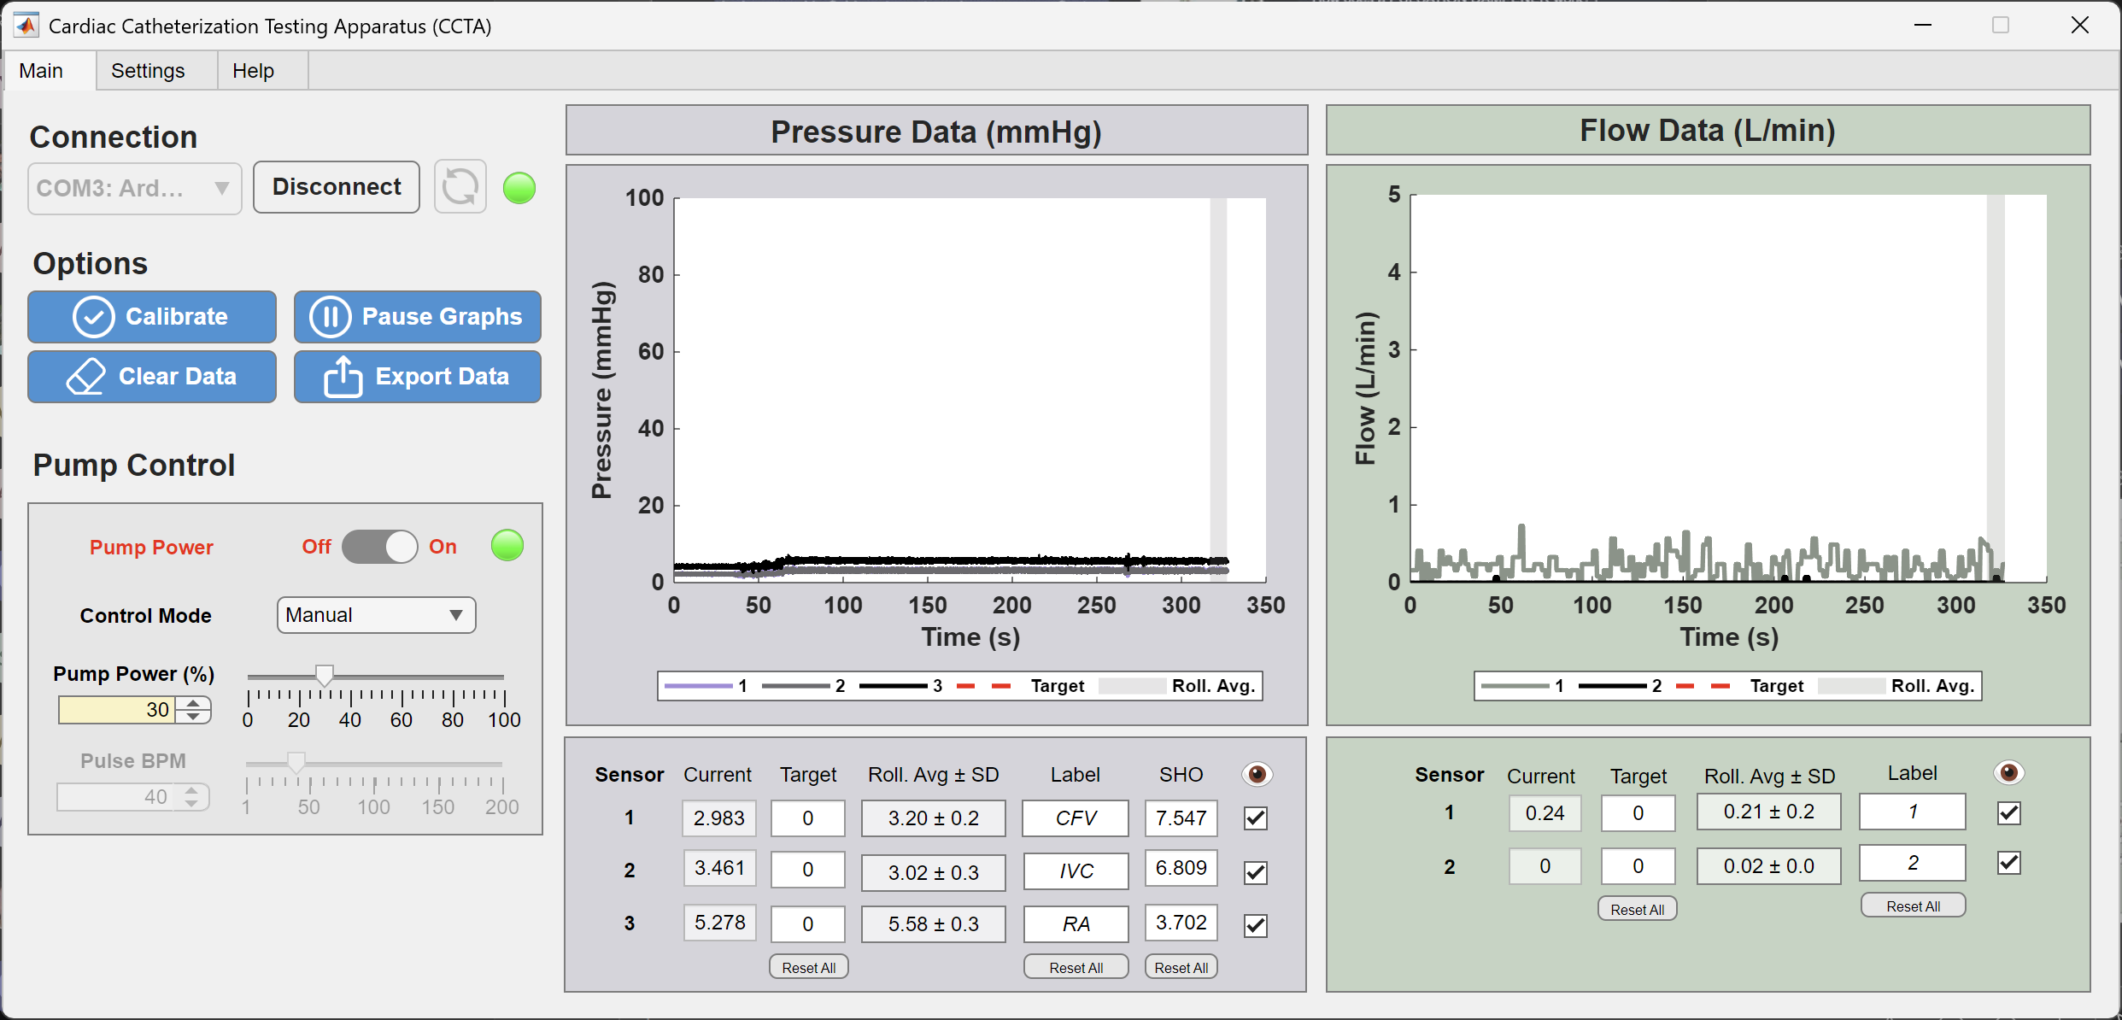
Minimum System Pressure
Needle Valve - Red Line
Pressure Regulating Valve - 0 PSI

Maximum System Pressure
Needle Valve- Fully Open
Pressure Regulating Valve - 0 Psi
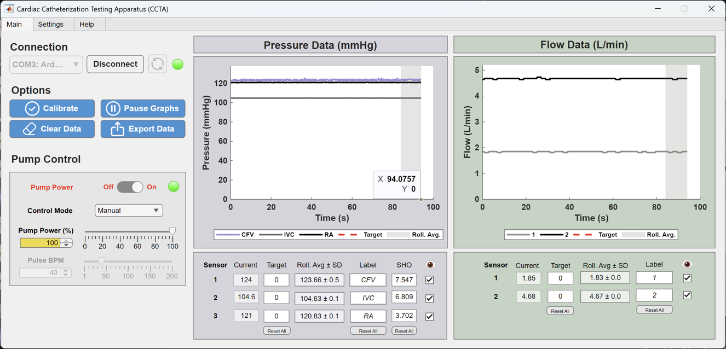

Test # | Location | Target Flow Rate (L/min) | Achieved Flow Rate (L/min) | Duty Cycle (%) | Needle Valve | PRV Backpressure (0 PSI)
1 | Inferior Vena Cava | 1.02 | 1.02 | 65 | Silver Line | 0
2 | Common Femoral Vein | 0.91 | 0.92 | 25 | Silver Line | 0
3 | Right Atrium - IVC | 3.75
4 | Right Atrium - SVC | 2.418

Test # | Location | Target Pressure (mmHg) | Achieved Pressure (mmHg) | Duty Cycle | Needle Valve | PRV Backpressure
5 | Inferior Vena Cava | 5 | 4.99 | 35 | Red Line | 10
6 | Common Femoral Vein | 10 | 10.51 | 40 | Blue Line | 8
7 | Right Atrium - IVC | 3
8 | Right Atrium - SVC | 8
9 | Left Atrium | 8 | 8.01 | 35 | Blue Line | 8

Test 1
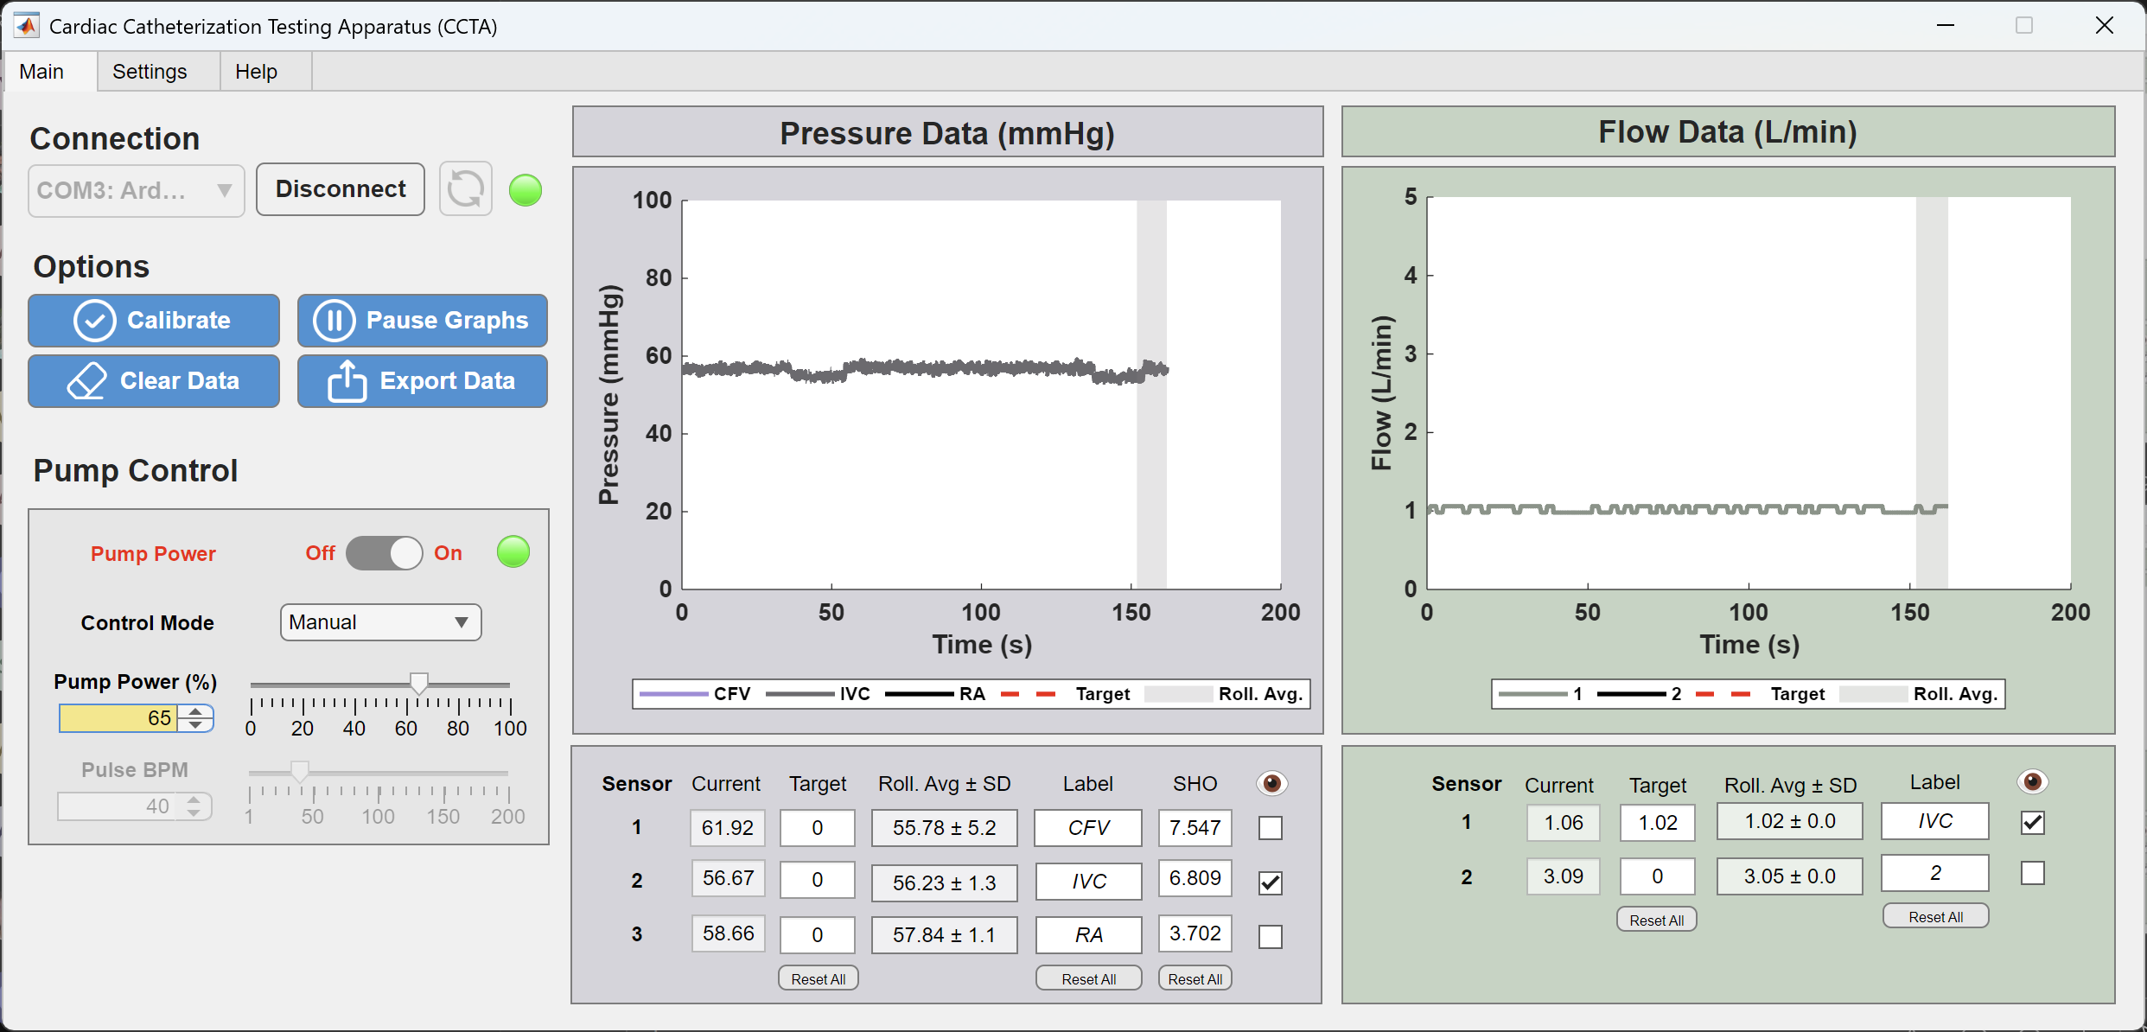

Test 2
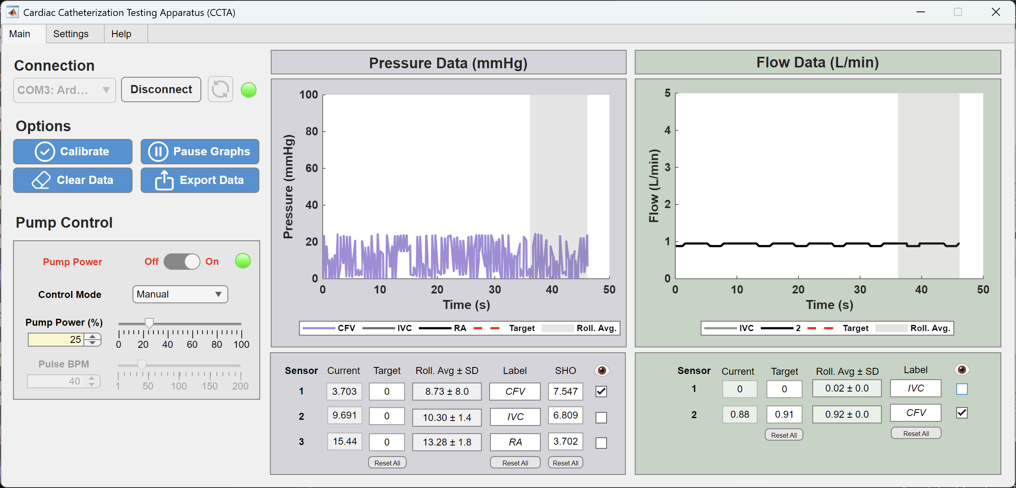

Test 5
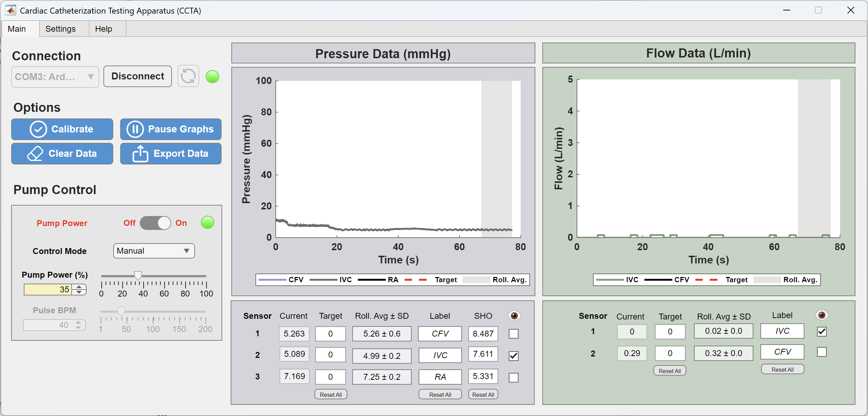

 | v

 | v

Test 6

